Sheet1
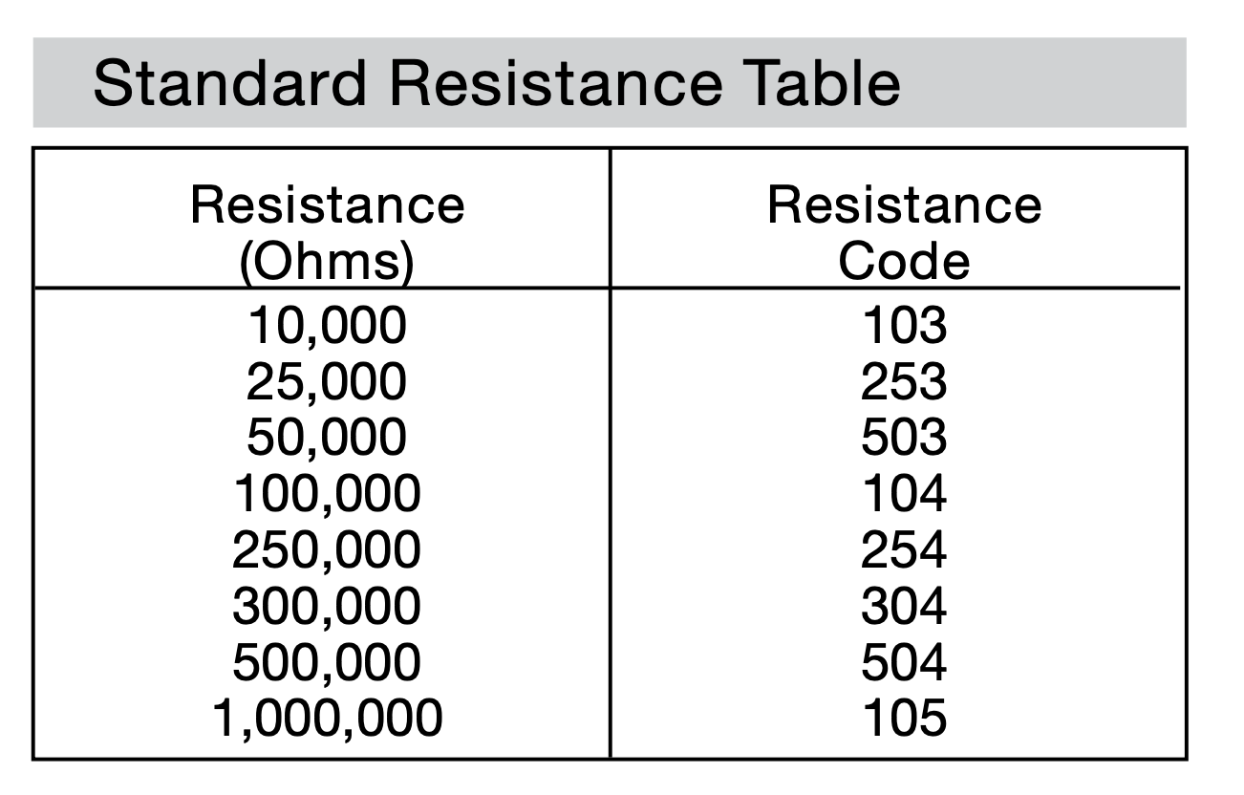
Sensor | Voltage Output Range | Measuring range | Unit of measurement | Solution needed
Conductivity | 0 to 2.3V | 0-1000ppm | ppm | table salt, distilled water | for conductivity,a year ago we calculated the molarity of various mg/L samples (see this link)
pH Sensor | -414 to 414 mV | 0-14 pH | pH | Solutions of known pH
Turbidity | 0 to 4.5 V | 0-3000 NTU | NTU | one milligram of Formazin per liter of water is considered to produce a turbidity of 1 Nephelometric Turbidity Unit (NTU)
Flow/Potentiometer | 0.25 to 4.75V |  | Ohms or m³/s | Water, Pythagoras cup, syringe
Soil Moisture | 0 to 4.2V | 0-950 | Volumetric Water Content (%) | Sample of soil, scale, oven, container of known volume, water | Use formula (volume of water)/(volume of soil)

 |  | (for potentiometer)

